Forecasting
Sales Forecasting |  |  |  | EBITDA Forecasting |  |  |  | Earning per share Forecasting
Year Weight | Year | Sales | Sales Growth | Year Weight | Year | EBITDA | EBITDA Growth | Year Weight | Year | EPS | EPS Growth
1 | 2022-03-01 | 156,521.23 |  | 1 | 2022-03-01 | 20,484.38 |  | 1 | 2022-03-01 | 62.00
2 | 2023-03-01 | 183,340.70 | 17.1% | 2 | 2023-03-01 | 23,682.45 | 15.6% | 2 | 2023-03-01 | 75.00 | 21.0%
3 | 2024-03-01 | 221,112.91 | 20.6% | 3 | 2024-03-01 | 27,651.68 | 16.8% | 3 | 2024-03-01 | 94.00 | 25.3%
4 | 2025-03-01 | 255,734.45 | 15.7% | 4 | 2025-03-01 | 30,559.56 | 10.5% | 4 | 2025-03-01 | 109.00 | 16.0%
5 | 2026-03-01 | 285,874.36 | 11.8% | 5 | 2026-03-01 | 41,907.16 | 37.1% | 5 | 2026-03-01 | 117.00 | 7.3%
6 | 2027-03-01 | 319,846.73 | 11.9% | 6 | 2027-03-01 | 43,773.85 | 4.5% | 6 | 2027-03-01 | 134.60 | 15.0%
7 | 2028-03-01 | 352,956.73 | 10.4% | 7 | 2028-03-01 | 48,746.11 | 11.4% | 7 | 2028-03-01 | 149.00 | 10.7%
8 | 2029-03-01 | 386,066.74 | 9.4% | 8 | 2029-03-01 | 53,718.38 | 10.2% | 8 | 2029-03-01 | 163.40 | 9.7%
9 | 2030-03-01 | 419,176.74 | 8.6% | 9 | 2030-03-01 | 58,690.65 | 9.3% | 9 | 2030-03-01 | 177.80 | 8.8%
10 | 2031-03-01 | 452,286.74 | 7.9% | 10 | 2031-03-01 | 63,662.92 | 8.5% | 10 | 2031-03-01 | 192.20 | 8.1%

Historical Avg Growth |  | 16.3% |  | Historical Avg Growth |  | 20.0% |  | Historical Avg Growth |  | 17.4%
Forecast Avg Growth |  | 9.6% |  | Forecast Avg Growth |  | 8.7% |  | Forecast Avg Growth |  | 10.5%
Sales Forecasting
EBITDA Forecasting
EPS Forecasting

Stock Analysis
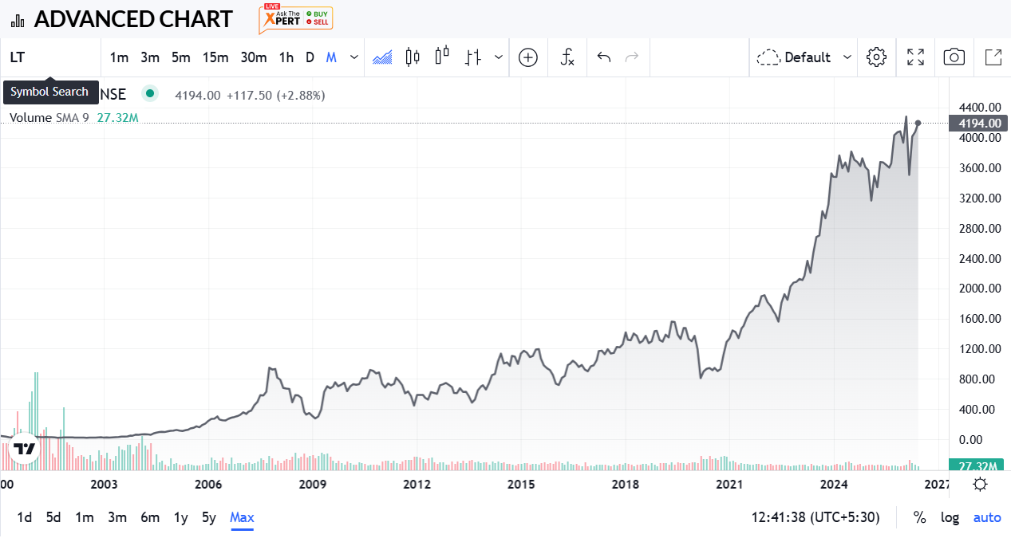
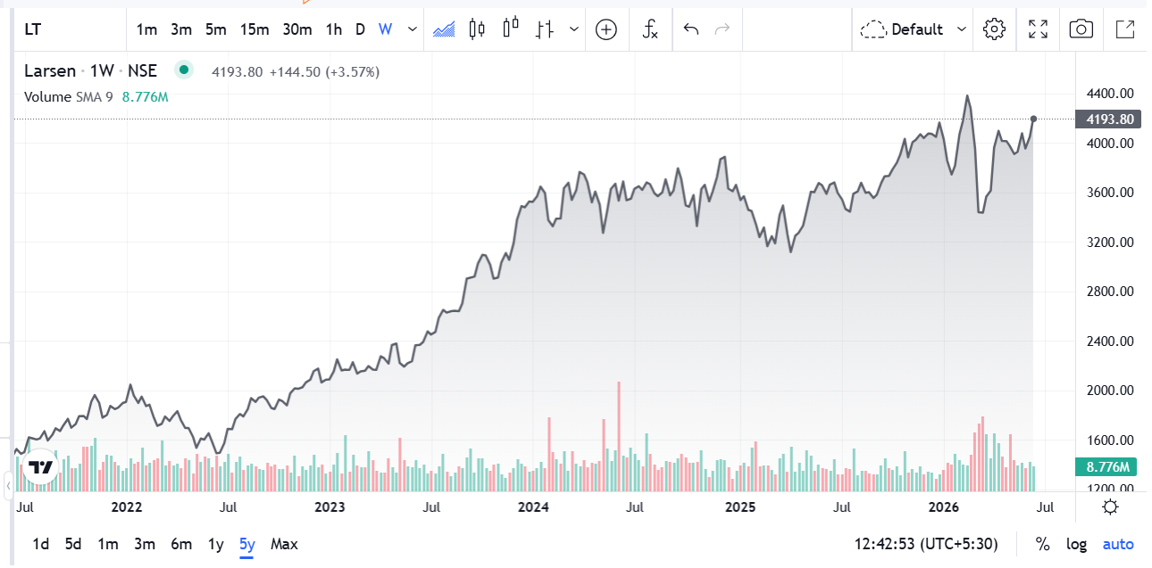
Metric | Value | Financial Year | Revenue (₹ Crore) | Profit After Tax (PAT) (₹ Crore) | Revenue Change (%) | PAT Change (%) | Nifty 50 Change (%) | Nifty 50 Prices
Market Cap | ₹ 5,74,683 | FY 2025-26 | 285,874 | 18,954 | 11.79% | -24.729% | -1% | 23283.7
Current Price | ₹ 4,177 | FY 2024-25 | 255,734 | 17,673 | 15.66% | -24.000% | 5% | 23519.35
High / Low | ₹ 4,440 / 3,288 | FY 2023-24 | 221,113 | 15,547 | 20.60% | 20.233% | 29% | 22326.9
Stock P/E | 38.60 | FY 2022-23 | 183,341 | 12,531 | 17.14% | 20.271% | -1% | 17359.75
Book Value | ₹ 794 | FY 2021-22 | 156,521 | 10,419 |  |  |  | 17464.75
Dividend Yield | 0.89 %
ROCE | 14.6 %
ROE | 15.9 %
Face Value | ₹ 2.00

INVESTMENT VIEW & RECOMMENDATION

Investment Thesis — Why It Works
• Record order book of ₹7,40,327 Cr (+27.8% YoY) and all-time-high order inflows of ₹4,35,590 Cr (+22.1% YoY) provide multi-year revenue visibility, with international orders contributing 58% of FY26 inflows.
• Revenue grew 11.8% YoY to ₹2,85,874 Cr — the fastest pace in three years — while EBITDA margin expanded to 10.2%, an early sign of operating leverage coming through in the Infrastructure & Energy segments.
• Balance sheet is de-risking: Net Debt:Equity improved to 0.35:1 from 0.60:1 in FY25, aided by monetising non-core, capital-heavy assets (Nabha Power sale to Torrent Power; Hyderabad Metro stake divestment).
• New-age bets — L&T Semiconductor Technologies, L&T Vyoma data centres, and a 51% green portfolio — add optional, longer-duration growth levers beyond the core EPC cycle as the Lakshya 2031 plan is finalised.

Key Risks & Watch-Points
• Stock trades at ~38.6x trailing P/E and ~5.3x Book Value — in line with peer average P/E (38.4x) but leaving little room for de-rating if order-to-revenue conversion slips or execution timelines stretch.
• Under the model's conservative ‘EBIT Growth’ live scenario, DCF intrinsic value works out to just ~₹1,188/share — a reminder that a large part of the current price already bakes in continued high growth.
• Dividend yield is low (0.89%), so returns depend almost entirely on earnings growth and re-rating playing out as expected — this is a growth bet, not an income one.

Valuation Snapshot (linked to DCF & Relative Valuation sheets)
Valuation Basis |  |  | Implied Value / Share (₹) | Premium / (Discount) to CMP
Current Market Price (CMP) |  |  | ₹ 4,208 |  |  | —
P/E — Peer Average (~38x) |  |  | ₹ 4,185 |  |  | (0.5%)
EV/Sales — Peer Average |  |  | ₹ 4,753 |  |  | 13.0%
EV/EBITDA — Peer Average |  |  | ₹ 5,916 |  |  | 40.6%
DCF Intrinsic Value (conservative growth scenario) |  |  | ₹ 1,188 |  |  | (71.8%)

RECOMMENDATION: BUY — ACCUMULATE ON DIPS | LONG-TERM (3+ YEAR HORIZON)

L&T's FY26 operating performance — record order book, accelerating revenue, expanding margins and a de-leveraging balance sheet — supports a constructive long-term view. The Relative Valuation read-through (EV/Sales and EV/EBITDA implying ₹4,750–5,900/share) suggests the market is not over-paying for this growth, even though the stock isn't cheap at ~38x earnings on an absolute basis. A staggered, SIP-style entry is the more sensible way to build a position rather than a one-time lump-sum buy.
Analyst note: The DCF intrinsic value (₹1,188) uses the most conservative of the three modelled Growth Scenarios (Sales CAGR ~1–6% vs. the order book's actual +27.8% YoY growth) and is best read as a downside stress-test, not the base-case fair value.

